Sheet1
 | DENTAL ACCESS. | Model | Packing | Total Pces.

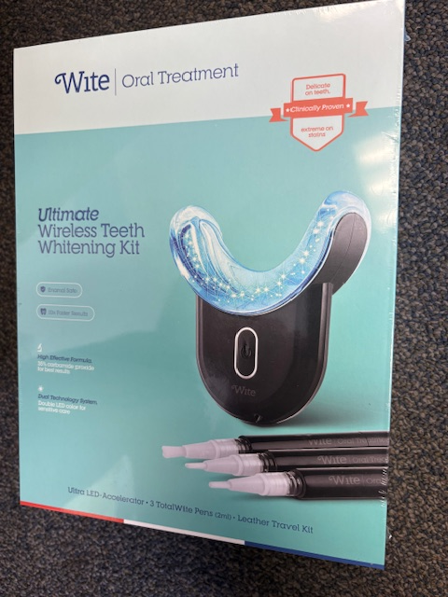 | Wite Oral Treatment | MU-4128 | 14/cs | 2002

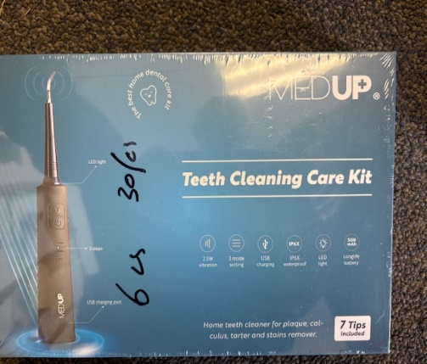 | Medup Teeth Cleaning Care Kit | MU-7086 | 30/cs | 180

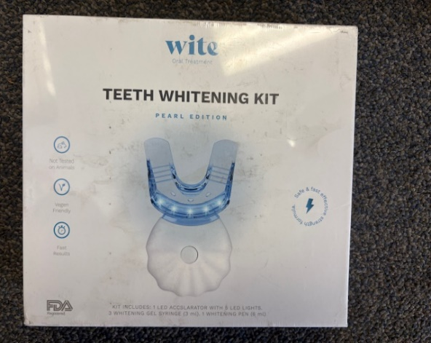 | Wite Teeth Whitening Kit |  |  | 1595

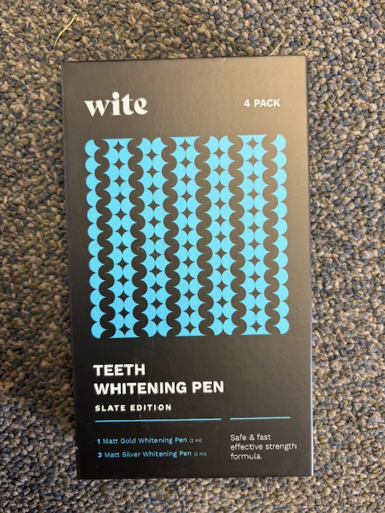 | Wite Teeth Whitening Pen 4 PK |  |  | 700

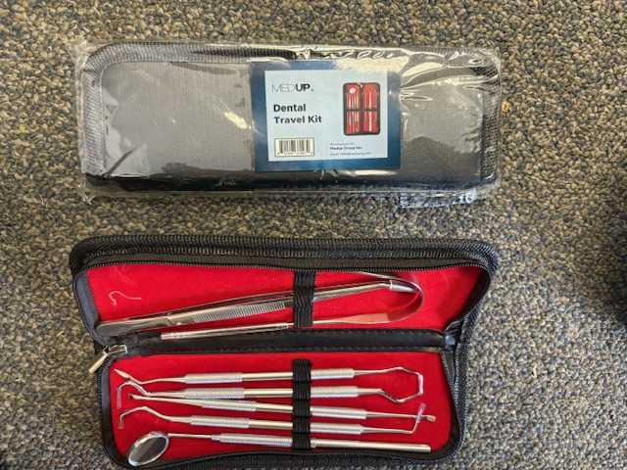 | Medup Dental Travel Kit |  |  | 1500

 | Wite Whitening Strips 56/Box |  | 30 | 240
 |  |  | TOTAL | 6217
 |  |  |  | 0

